Basic Changes
 |  |  |  | In this example invoices are priced at £1 per license, per day, £30 per month - This is an EXAMPLE only to allow easy calculations for demonstration purposes
 |  |  |  | Commitment Period |  |  |  |  |  |  |  |  |  |  |  | - | The contractual period you agree to maintain a minimum number of liceses for, this is normally aligned to the calendar month, but can be different per subscription.
 |  |  |  | MS Billing Period |  |  |  |  |  |  |  |  |  |  |  | - | Microsoft bill for licensing between the 27th and 26th of each month. Data is always based on the number of licences avalible on 27th, even if these are scheduled to decrease or cancel
 |  |  |  | Tbyte Billing Period |  |  |  |  |  |  |  |  |  |  |  | - | Tetrabyte bill for services on a 1st of month to last day of month cycle

 | 2026-01-20 | 2026-01-21 | 2026-01-22 | 2026-01-23 | 2026-01-24 | 2026-01-25 | 2026-01-26 | 2026-01-27 | 2026-01-28 | 2026-01-29 | 2026-01-30 | 2026-01-31 | 2026-02-01 | 2026-02-02 | 2026-02-03 | 2026-02-04 | 2026-02-05 | 2026-02-06 | 2026-02-07 | 2026-02-08 | 2026-02-09 | 2026-02-10 | 2026-02-11 | 2026-02-12 | 2026-02-13 | 2026-02-14 | 2026-02-15 | 2026-02-16 | 2026-02-17 | 2026-02-18 | 2026-02-19 | 2026-02-20 | 2026-02-21 | 2026-02-22 | 2026-02-23 | 2026-02-24 | 2026-02-25 | 2026-02-26 | 2026-02-27 | 2026-02-28 | 2026-03-01 | 2026-03-02 | 2026-03-03 | 2026-03-04 | 2026-03-05 | 2026-03-06 | 2026-03-07 | 2026-03-08 | 2026-03-09 | 2026-03-10 | 2026-03-11 | 2026-03-12 | 2026-03-13 | 2026-03-14 | 2026-03-15 | 2026-03-16 | 2026-03-17 | 2026-03-18 | 2026-03-19 | 2026-03-20 | 2026-03-21 | 2026-03-22 | 2026-03-23 | 2026-03-24 | 2026-03-25 | 2026-03-26 | 2026-03-27 | 2026-03-28 | 2026-03-29 | 2026-03-30 | 2026-03-31 | 2026-04-01 | 2026-04-02 | 2026-04-03 | 2026-04-04 | 2026-04-05 | 2026-04-06 | 2026-04-07 | 2026-04-08 | 2026-04-09 | 2026-04-10 | 2026-04-11 | 2026-04-12 | 2026-04-13 | 2026-04-14 | 2026-04-15 | 2026-04-16 | 2026-04-17 | 2026-04-18 | 2026-04-19 | 2026-04-20 | 2026-04-21 | 2026-04-22 | 2026-04-23 | 2026-04-24 | 2026-04-25 | 2026-04-26 | 2026-04-27 | 2026-04-28 | 2026-04-29 | 2026-04-30 | 2026-05-01 | 2026-05-02 | 2026-05-03 | 2026-05-04 | 2026-05-05 | 2026-05-06 | 2026-05-07 | 2026-05-08 | 2026-05-09 | 2026-05-10 | 2026-05-11 | 2026-05-12 | 2026-05-13 | 2026-05-14 | 2026-05-15
--> | Commitment Jan26 |  |  |  |  |  |  |  |  |  |  |  | Commitment Feb26 |  |  |  |  |  |  |  |  |  |  |  |  |  |  |  |  |  |  |  |  |  |  |  |  |  |  |  | Commitment Mar26 |  |  |  |  |  |  |  |  |  |  |  |  |  |  |  |  |  |  |  |  |  |  |  |  |  |  |  |  |  |  | Commitment Apr26 |  |  |  |  |  |  |  |  |  |  |  |  |  |  |  |  |  |  |  |  |  |  |  |  |  |  |  |  |  | Commitment May26 |  |  |  |  |  |  |  |  |  |  |  |  |  |  | -->
--> | MS Billing Jan26 |  |  |  |  |  |  | MS Billing Feb26 |  |  |  |  |  |  |  |  |  |  |  |  |  |  |  |  |  |  |  |  |  |  |  |  |  |  |  |  |  |  | MS Billing Mar26 |  |  |  |  |  |  |  |  |  |  |  |  |  |  |  |  |  |  |  |  |  |  |  |  |  |  |  | MS Billing Apr26 |  |  |  |  |  |  |  |  |  |  |  |  |  |  |  |  |  |  |  |  |  |  |  |  |  |  |  |  |  |  | MS Billing May26 |  |  |  |  |  |  |  |  |  |  |  |  |  |  |  |  |  |  | -->
--> | Tbyte Billing Jan26 |  |  |  |  |  |  |  |  |  |  |  | Tbyte Billing Feb26 |  |  |  |  |  |  |  |  |  |  |  |  |  |  |  |  |  |  |  |  |  |  |  |  |  |  |  | Tbyte Billing Mar26 |  |  |  |  |  |  |  |  |  |  |  |  |  |  |  |  |  |  |  |  |  |  |  |  |  |  |  |  |  |  | Tbyte Billing Apr26 |  |  |  |  |  |  |  |  |  |  |  |  |  |  |  |  |  |  |  |  |  |  |  |  |  |  |  |  |  | Tbyte Billing May26 |  |  |  |  |  |  |  |  |  |  |  |  |  |  | -->

Qty Licenses Avalible | 10 | 10 | 10 | 10 | 10 | 10 | 10 | 10 | 10 | 10 | 10 | 10 | 10 | 10 | 10 | 10 | 10 | 10 | 11 | 11 | 11 | 11 | 11 | 11 | 11 | 11 | 11 | 11 | 11 | 11 | 11 | 11 | 11 | 11 | 11 | 11 | 11 | 11 | 11 | 11 | 11 | 11 | 11 | 11 | 11 | 11 | 11 | 11 | 11 | 11 | 11 | 11 | 11 | 11 | 11 | 11 | 11 | 11 | 11 | 11 | 11 | 11 | 11 | 11 | 11 | 11 | 11 | 11 | 11 | 11 | 11 | 10 | 10 | 10 | 10 | 10 | 10 | 10 | 10 | 10 | 10 | 10 | 10 | 10 | 10 | 10 | 10 | 10 | 10 | 10 | 10 | 10 | 10 | 10 | 10 | 10 | 10 | 10 | 10 | 10 | 10 | 10 | 10 | 10 | 10 | 10 | 10 | 10 | 10 | 10 | 10 | 10 | 10 | 10 | 10 | 10
 |  |  |  |  |  |  |  | ^ |  |  |  |  | ^ |  |  |  |  |  | ^ |  |  |  |  |  |  |  |  |  |  |  |  |  |  |  |  |  |  |  | ^ |  | ^ |  |  |  |  |  |  |  |  |  | ^ |  |  |  |  |  |  |  |  |  |  |  |  |  |  |  | ^ |  |  |  |  | ^ |  |  |  |  |  |  |  |  |  |  |  |  |  |  |  |  |  |  |  |  |  |  |  |  |  | ^ |  |  |  | ^
 |  |  |  |  |  | Microsoft generate billing for month ahead 27th-26th. |  |  |  |  |  |  | Tetrabyte bill for month ahead |  |  |  |  | You request increase |  |  |  |  |  |  |  |  |  |  |  |  |  |  |  |  | Microsoft generate billing for month ahead 27th-26th. |  |  |  |  |  | Tetrabyte bill for month ahead |  |  |  |  |  |  |  | You request decrease |  |  |  |  |  |  |  |  |  |  |  |  |  |  | Microsoft generate billing for month ahead 27th-26th. |  |  |  |  |  |  | Tetrabyte bill for month ahead |  |  |  |  |  |  |  |  |  |  |  |  |  |  |  |  |  |  |  |  |  |  |  | Microsoft generate billing for month ahead 27th-26th. |  |  |  |  |  | Tetrabyte bill for month ahead

 |  |  |  |  |  | 10 licenses |  |  |  |  |  |  | 10 licenses |  |  |  |  | 11 licenses |  |  |  |  |  |  |  |  |  |  |  |  |  |  |  |  | 11 licenses |  |  |  |  |  | 11 licenses |  |  |  |  |  |  |  | 10 licenses |  |  |  |  |  |  |  |  |  |  |  |  |  |  | 11 licenses |  |  |  |  |  |  | 11 licenses |  |  |  |  |  |  |  |  |  |  |  |  |  |  |  |  |  |  |  |  |  |  |  | 10 licenses |  |  |  |  |  | 10 licenses
 |  |  |  |  |  |  |  |  |  |  |  |  |  |  |  |  |  | Qty increased immediately |  |  |  |  |  |  |  |  |  |  |  |  |  |  |  |  | Microsoft generate Prorata charge for 07/02/26 - 26/02/26 |  |  |  |  |  | Tetrabyte bill for change mid month |  |  |  |  |  |  |  | Qty does not decreased untill end of commitment |  |  |  |  |  |  |  |  |  |  |  |  |  |  | Qty is still 11 as commitment has not ended |  |  |  |  |  |  | Tetrabyte bill based on Microsoft data provided |  |  |  |  |  |  |  |  |  |  |  |  |  |  |  |  |  |  |  |  |  |  |  | Microsoft generate a FULL refund for 27/03/26 - 26/04/26 |  |  |  |  |  | Tetrabyte issue full refund for Apr26 [Prorata Credit Previous Month]

 |  |  |  |  |  |  |  |  |  |  |  |  |  |  |  |  |  |  |  |  |  |  |  |  |  |  |  |  |  |  |  |  |  |  | 11 licenses |  |  |  |  |  | 11 licenses |  |  |  |  |  |  |  |  |  |  |  |  |  |  |  |  |  |  |  |  |  |  | MS bill until 26th |  |  |  |  |  |  | So you over pay for |  |  |  |  |  |  |  |  |  |  |  |  |  |  |  |  |  |  |  |  |  |  |  | 11 Licence Refunded
 |  |  |  |  |  |  |  |  |  |  |  |  |  |  |  |  |  |  |  |  |  |  |  |  |  |  |  |  |  |  |  |  |  |  | prorata 20 days |  |  |  |  |  | Prorata 20 days |  |  |  |  |  |  |  |  |  |  |  |  |  |  |  |  |  |  |  |  |  |  |  |  |  |  |  |  |  | 01/04/26 - 26/04/26
 |  |  |  |  |  |  |  |  |  |  |  |  |  |  |  |  |  |  |  |  |  |  |  |  |  |  |  |  |  |  |  |  |  |  |  |  |  |  |  |  |  |  |  |  |  |  |  |  |  |  |  |  |  |  |  |  |  |  |  |  |  |  |  |  |  |  |  |  |  |  |  |  |  |  |  |  |  |  |  |  |  |  |  |  |  |  |  |  |  |  |  |  |  |  | Microsoft generate Prorata charge for 27/03/26 - 31/03/26 |  |  |  |  |  | Tetrabyte combine both re-bills to one line item [Prorata Previous Month]

 |  |  |  |  |  |  |  |  |  |  |  |  |  |  |  |  |  |  |  |  |  |  |  |  |  |  |  |  |  |  |  |  |  |  |  |  |  |  |  |  |  |  |  |  |  |  |  |  |  |  |  |  |  |  |  |  |  |  |  |  |  |  |  |  |  |  |  |  |  |  |  |  |  |  |  |  |  |  |  |  |  |  |  |  |  |  |  |  |  |  |  |  |  |  | 11 Licence
 |  |  |  |  |  |  |  |  |  |  |  |  |  |  |  |  |  |  |  |  |  |  |  |  |  |  |  |  |  |  |  |  |  |  |  |  |  |  |  |  |  |  |  |  |  |  |  |  |  |  |  |  |  |  |  |  |  |  |  |  |  |  |  |  |  |  |  |  |  |  |  |  |  |  |  |  |  |  |  |  |  |  |  |  |  |  |  |  |  |  |  |  |  |  | Prorata 5 days
 |  |  |  |  |  |  |  |  |  |  |  |  |  |  |  |  |  |  |  |  |  |  |  |  |  |  |  |  |  |  |  |  |  |  |  |  |  |  |  |  |  |  |  |  |  |  |  |  |  |  |  |  |  |  |  |  |  |  |  |  |  |  |  |  |  |  |  |  |  |  |  |  |  |  |  |  |  |  |  |  |  |  |  |  |  |  |  |  |  |  |  |  |  |  | Microsoft generate Prorata charge for 01/04/26 - 26/04/26
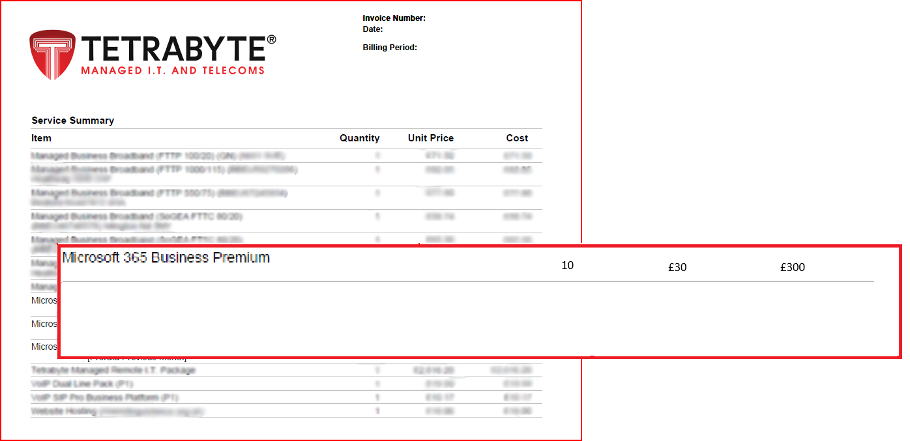
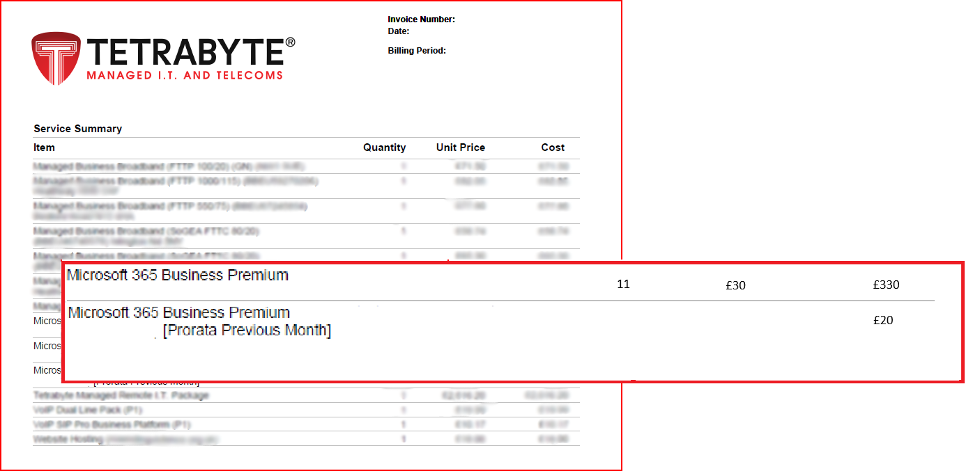
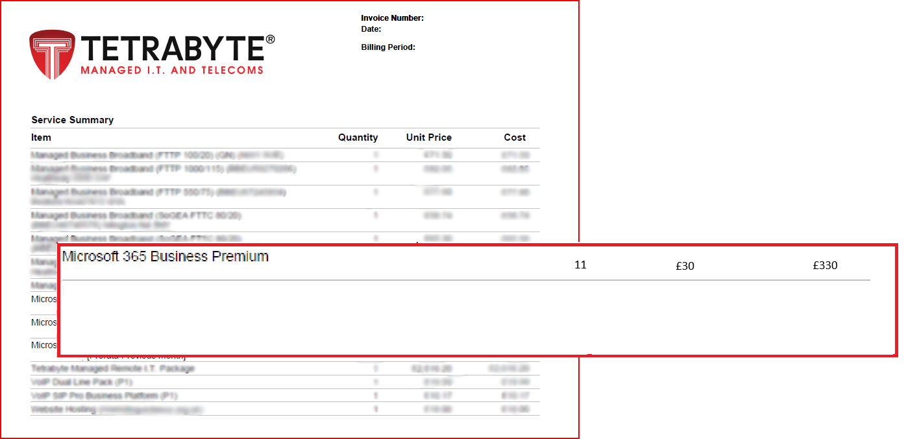
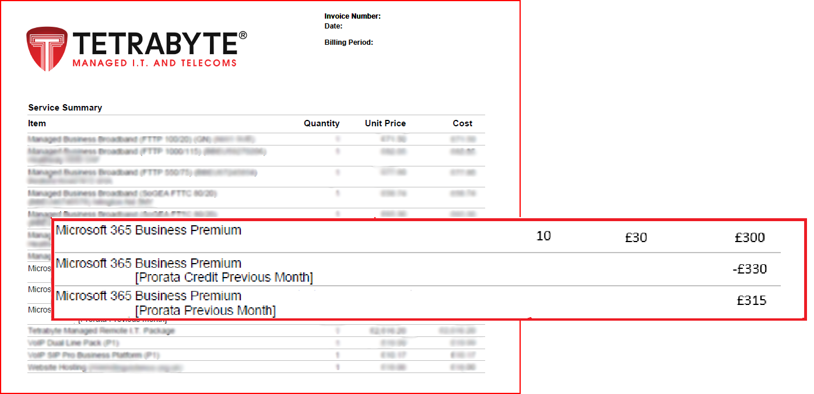

 |  |  |  |  |  |  |  |  |  |  |  |  |  |  |  |  |  |  |  |  |  |  |  |  |  |  |  |  |  |  |  |  |  |  |  |  |  |  |  |  |  |  |  |  |  |  |  |  |  |  |  |  |  |  |  |  |  |  |  |  |  |  |  |  |  |  |  |  |  |  |  |  |  |  |  |  |  |  |  |  |  |  |  |  |  |  |  |  |  |  |  |  |  |  | 10 Licence
 |  |  |  |  |  |  |  |  |  |  |  |  |  |  |  |  |  |  |  |  |  |  |  |  |  |  |  |  |  |  |  |  |  |  |  |  |  |  |  |  |  |  |  |  |  |  |  |  |  |  |  |  |  |  |  |  |  |  |  |  |  |  |  |  |  |  |  |  |  |  |  |  |  |  |  |  |  |  |  |  |  |  |  |  |  |  |  |  |  |  |  |  |  |  | Prorata 26 days

Multiple Changes 1
 |  |  | In this example invoices are priced at £1 per license, per day, £30 per month - This is an EXAMPLE only to allow easy calculations for demonstration purposes
 |  |  | Commitment Period |  |  |  |  |  |  |  |  |  |  |  | - | The contractual period you agree to maintain a minimum number of liceses for, this is normally aligned to the calendar month, but can be different per subscription.
 |  |  | MS Billing Period |  |  |  |  |  |  |  |  |  |  |  | - | Microsoft bill for licensing between the 27th and 26th of each month. Data is always based on the number of licences avalible on 27th, even if these are scheduled to decrease or cancel
 |  |  | Tbyte Billing Period |  |  |  |  |  |  |  |  |  |  |  | - | Tetrabyte bill for services on a 1st of month to last day of month cycle

2026-01-20 | 2026-01-21 | 2026-01-22 | 2026-01-23 | 2026-01-24 | 2026-01-25 | 2026-01-26 | 2026-01-27 | 2026-01-28 | 2026-01-29 | 2026-01-30 | 2026-01-31 | 2026-02-01 | 2026-02-02 | 2026-02-03 | 2026-02-04 | 2026-02-05 | 2026-02-06 | 2026-02-07 | 2026-02-08 | 2026-02-09 | 2026-02-10 | 2026-02-11 | 2026-02-12 | 2026-02-13 | 2026-02-14 | 2026-02-15 | 2026-02-16 | 2026-02-17 | 2026-02-18 | 2026-02-19 | 2026-02-20 | 2026-02-21 | 2026-02-22 | 2026-02-23 | 2026-02-24 | 2026-02-25 | 2026-02-26 | 2026-02-27 | 2026-02-28 | 2026-03-01 | 2026-03-02 | 2026-03-03 | 2026-03-04 | 2026-03-05 | 2026-03-06 | 2026-03-07 | 2026-03-08 | 2026-03-09 | 2026-03-10 | 2026-03-11 | 2026-03-12 | 2026-03-13 | 2026-03-14 | 2026-03-15 | 2026-03-16 | 2026-03-17 | 2026-03-18 | 2026-03-19 | 2026-03-20 | 2026-03-21 | 2026-03-22 | 2026-03-23 | 2026-03-24 | 2026-03-25 | 2026-03-26 | 2026-03-27 | 2026-03-28 | 2026-03-29 | 2026-03-30 | 2026-03-31 | 2026-04-01 | 2026-04-02 | 2026-04-03 | 2026-04-04 | 2026-04-05 | 2026-04-06 | 2026-04-07 | 2026-04-08 | 2026-04-09 | 2026-04-10 | 2026-04-11 | 2026-04-12 | 2026-04-13 | 2026-04-14 | 2026-04-15 | 2026-04-16 | 2026-04-17 | 2026-04-18 | 2026-04-19 | 2026-04-20 | 2026-04-21 | 2026-04-22 | 2026-04-23 | 2026-04-24 | 2026-04-25 | 2026-04-26 | 2026-04-27 | 2026-04-28 | 2026-04-29 | 2026-04-30 | 2026-05-01 | 2026-05-02 | 2026-05-03 | 2026-05-04 | 2026-05-05 | 2026-05-06 | 2026-05-07 | 2026-05-08 | 2026-05-09 | 2026-05-10 | 2026-05-11 | 2026-05-12 | 2026-05-13 | 2026-05-14 | 2026-05-15 | 2026-05-16 | 2026-05-17 | 2026-05-18 | 2026-05-19 | 2026-05-20 | 2026-05-21 | 2026-05-22 | 2026-05-23 | 2026-05-24 | 2026-05-25 | 2026-05-26 | 2026-05-27 | 2026-05-28 | 2026-05-29 | 2026-05-30 | 2026-05-31 | 2026-06-01 | 2026-06-02 | 2026-06-03 | 2026-06-04 | 2026-06-05 | 2026-06-06 | 2026-06-07 | 2026-06-08 | 2026-06-09 | 2026-06-10
...
 |  |  |  |  |  |  |  |  |  |  |  |  |  |  |  |  |  |  |  |  |  |  |  |  |  |  |  |  |  |  |  |  |  |  |  |  |  |  |  |  |  |  |  |  |  |  |  |  |  |  |  |  |  |  |  |  |  |  |  |  |  |  |  |  |  |  |  |  |  |  |  |  |  |  |  |  |  |  |  |  |  |  |  |  |  |  |  |  |  |  |  |  |  |  |  |  |  |  |  |  |  |  |  |  |  |  |  |  |  |  |  |  |  |  |  |  |  |  |  |  |  |  |  |  |  |  |  |  |  |  |  | Tbyte Billing Jun26 |  |  |  |  |  |  |  |  |  | -->

 |  |  |  |  |  |  |  |  |  |  |  |  |  |  |  |  |  |  |  |  |  |  |  |  |  |  |  |  |  |  |  |  |  |  |  |  |  |  |  |  |  |  |  |  |  |  |  |  |  |  |  |  |  |  |  |  |  |  |  |  |  |  |  |  |  |  |  |  |  |  |  |  |  |  |  |  |  |  |  |  |  |  |  |  |  |  |  |  |  |  |  |  |  |  |  |  |  |  |  |  |  |  |  |  |  |  |  |  |  |  |  |  |  |  |  |  |  |  |  |  |  |  |  | 9 | 9 | 9 | 9 | 9 | 9 | 9 | 9 | 9 | 9 | 9 | 9 | 9 | 9 | 9 | 9 | 9 | 9
 |  |  |  |  |  |  |  |  |  |  |  |  |  |  |  |  |  |  |  |  |  |  |  |  |  |  |  |  |  |  |  |  |  |  |  |  |  |  |  |  |  |  |  |  |  |  |  |  |  |  |  |  |  |  |  |  |  |  |  |  |  |  |  |  |  |  |  |  |  |  |  |  |  |  |  |  |  |  |  |  |  |  |  |  |  |  |  |  |  |  |  |  |  |  |  |  |  |  |  |  |  |  |  |  |  |  |  |  |  |  |  |  |  |  |  |  |  |  |  |  |  |  |  |  |  |  | ^ |  |  |  |  | ^
 |  |  |  |  |  |  |  |  |  |  |  |  |  |  |  |  |  |  |  |  |  |  |  |  |  |  |  |  |  |  |  |  |  |  |  |  |  |  |  |  |  |  |  |  |  |  |  |  |  |  |  |  |  |  |  |  |  |  |  |  |  |  |  |  |  |  |  |  |  |  |  |  |  |  |  |  |  |  |  |  |  |  |  |  |  |  |  |  |  |  |  |  |  |  |  |  |  |  |  |  |  |  |  |  |  |  |  |  |  |  |  |  |  |  |  |  |  |  |  |  |  |  |  | Microsoft generate billing for month ahead 27th-26th. |  |  |  |  |  |  | Tetrabyte bill for month ahead

 |  |  |  |  |  |  |  |  |  |  |  |  |  |  |  |  |  |  |  |  |  |  |  |  |  |  |  |  |  |  |  |  |  |  |  |  |  |  |  |  |  |  |  |  |  |  |  |  |  |  |  |  |  |  |  |  |  |  |  |  |  |  |  |  |  |  |  |  |  |  |  |  |  |  |  |  |  |  |  |  |  |  |  |  |  |  |  |  |  |  |  |  |  |  |  |  |  |  |  |  |  |  |  |  |  |  |  |  |  |  |  |  |  |  |  |  |  |  |  |  |  |  |  | 9 licenses |  |  |  |  |  |  | 9 licenses
...
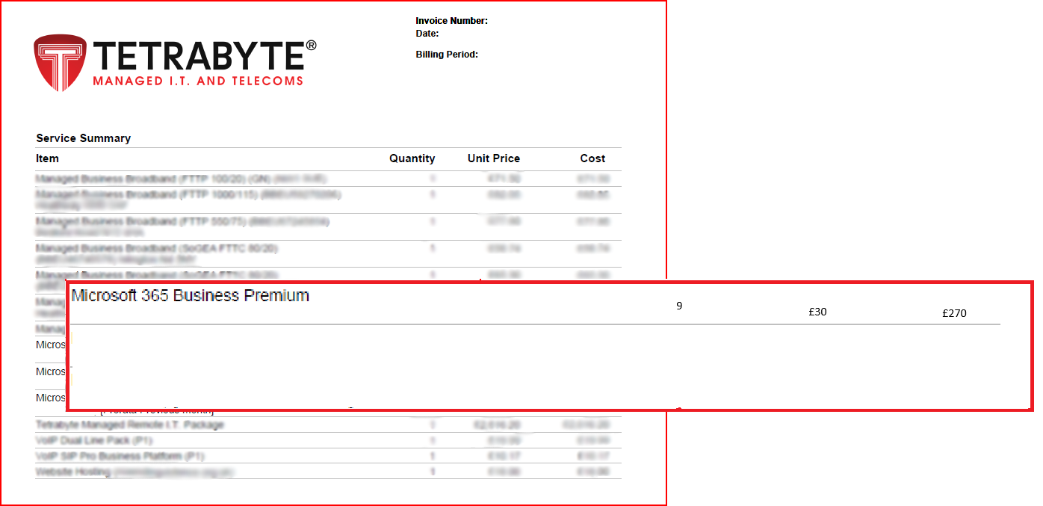
...
 |  |  |  |  |  |  |  |  |  |  |  |  |  |  |  |  |  |  |  |  |  |  |  |  |  |  |  |  |  |  |  |  |  |  |  |  |  |  |  |  |  |  |  |  |  |  |  |  |  |  |  |  |  |  |  |  |  |  |  |  |  |  |  |  |  |  |  |  |  |  |  |  |  |  |  |  |  |  |  |  |  |  |  |  |  |  |  |  |  |  |  |  |  | 9 Licences
 |  |  |  |  |  |  |  |  |  |  |  |  |  |  |  |  |  |  |  |  |  |  |  |  |  |  |  |  |  |  |  |  |  |  |  |  |  |  |  |  |  |  |  |  |  |  |  |  |  |  |  |  |  |  |  |  |  |  |  |  |  |  |  |  |  |  |  |  |  |  |  |  |  |  |  |  |  |  |  |  |  |  |  |  |  |  |  |  |  |  |  |  |  | Prorata 26 days
...
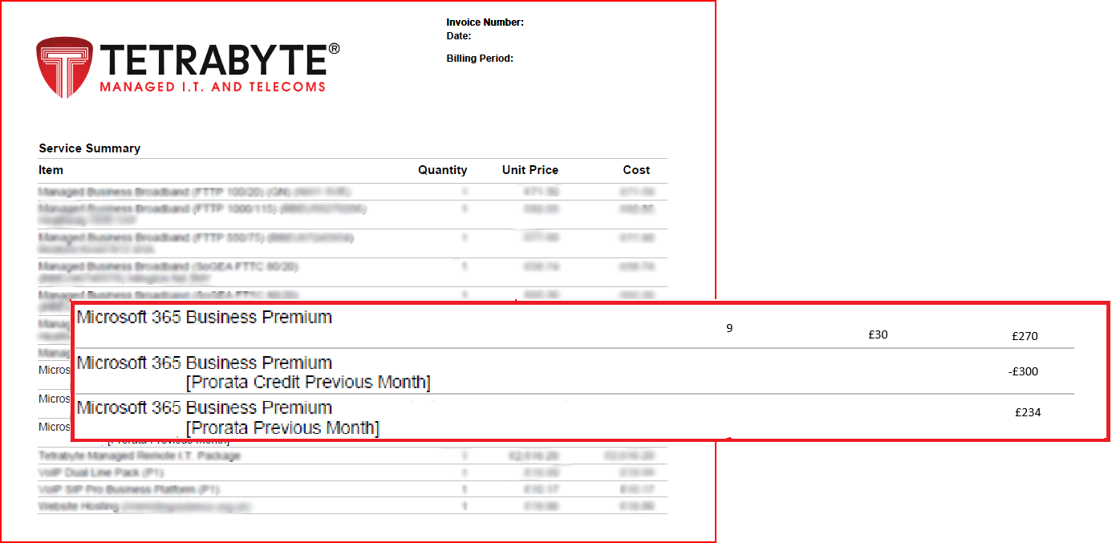
...
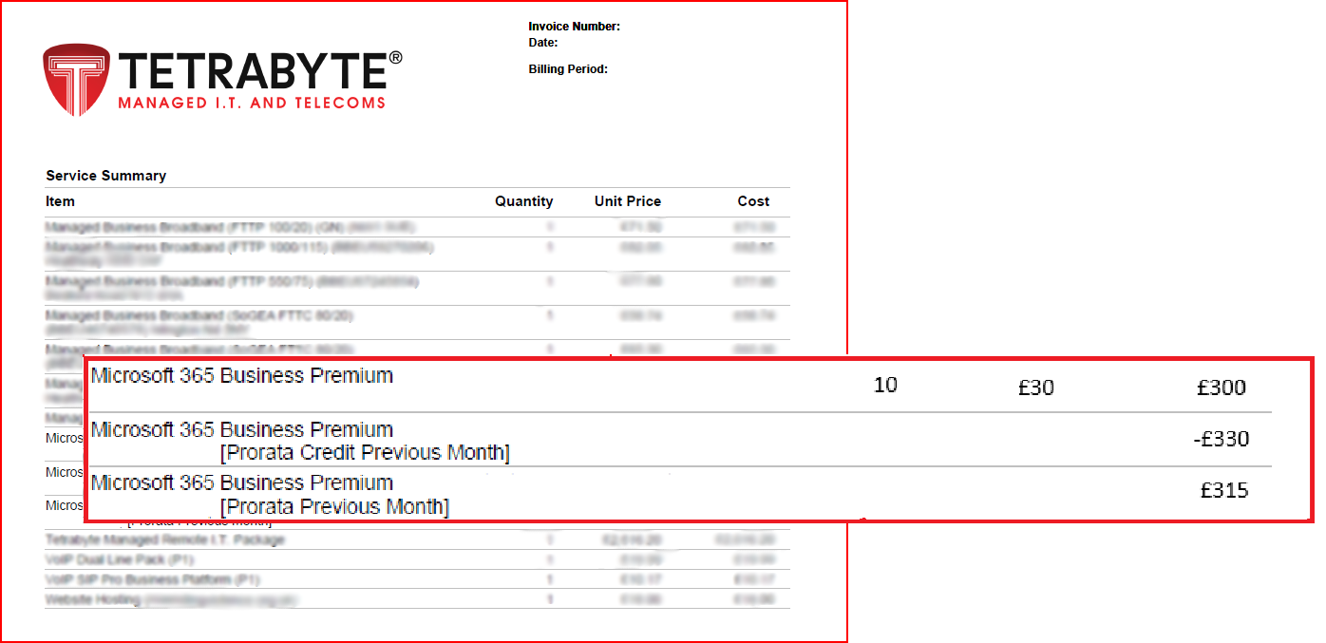

Multiple Changes 2
...
So you over pay for
01/04/26 - 26/04/26
Tetrabyte issue full refund for Mar26 11 Licenses [Prorata Credit Previous Month]
...
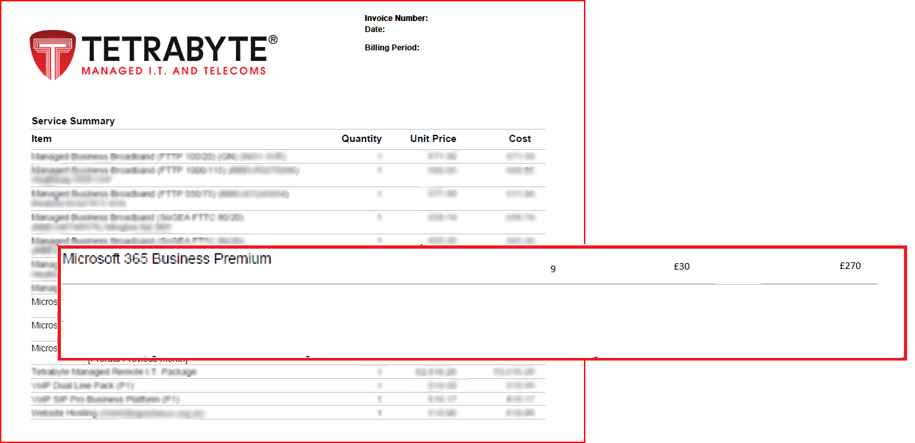
Tetrabyte bill for the 11 Licenses 5 days Tetrabyte bill for the 10 Licenses 7 days Tetrabyte bill for the 11 Licenses 9 days Tetrabyte bill for the 12 Licenses 10 days [Prorata Previous Month] Charges combined to one line



